example_sheet
Date: |  |  | Instructions: Fill in yellow boxes. Results will be calculated in pink boxes.
Assay(s): | Pram LAMP |  | * After image time depends on assay reaction time, samples, and experiment

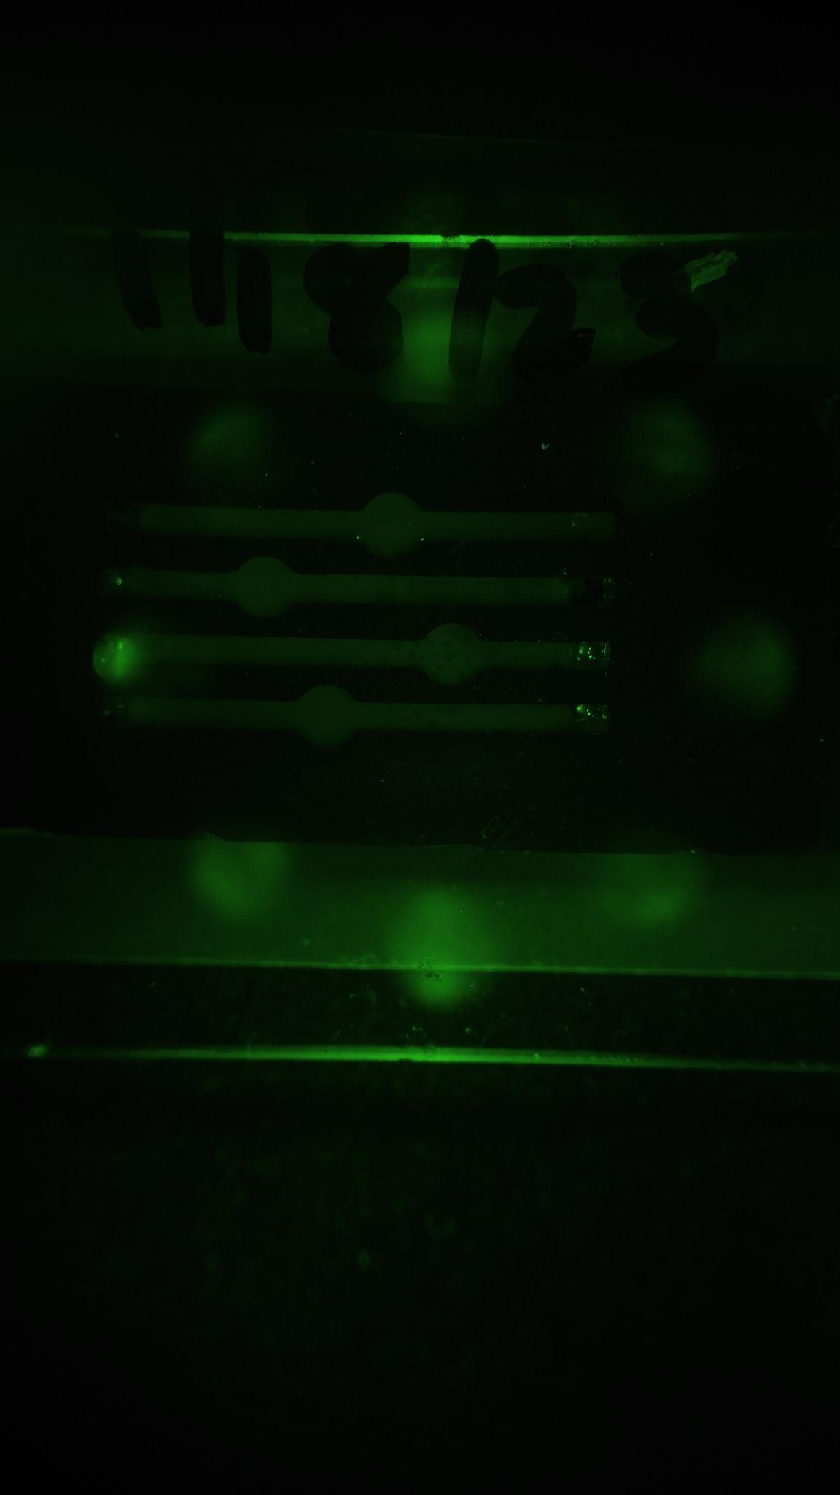
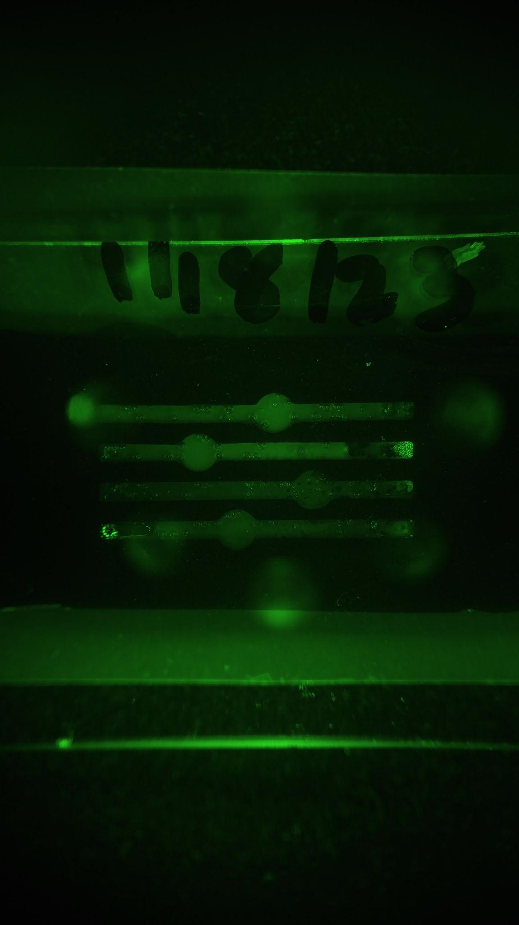
Chip ID | Date | Image Before (0min) | Exposure time, s | Well | Measurements | Image After (__min)* | Exposure time, s | Well | Measurements | Normalized Intensity | Threshold | Result | Notes | Notes
New | 20230923 | 135800 jpg | 1 sec | 1 | 32.986 | 20230923 | 1 sec | 1 | 89.9 | 49.56399026 | 39.660 | positive |  | 1 ng | 1
 |  |  |  | 2 | 34.53 |  |  | 2 | 74.381 | 41.00799955 |  | positive |  | 100pg | 2
 |  |  |  | 3 | 35.547 |  |  | 3 | 48.413 | 26.69122871 |  | negative |  | 10 pg | 3
 |  |  |  | 4 | 30.803 |  |  | 4 | 55.871 | 30.803 |  | negative |  | H20 | 4
 |  |  |  | Mean | 33.47
 |  |  |  | SD | 2.06

Threshold = mean fluorescence0 + (3*SD0)
Mean fluorescence0: mean of green color value for all four wells at time 0
SD0: standard deviation of green color value for all four wells at time 0
Normalized intensity = green color value in a test well at time n divided by normalized green color values in negative control well between time0 and timen

